1. Title Page
[Strategy to Market the Right Customers]

Project Name: Instacart Customer Shopping Analysis
Date: 03/06/2024
Analyst Name: Jazmin Gutierrez

Contents:
Population Flow
Consistency checks
Wrangling steps
Column derivations
Visualizations
Recommendations

2. Population Flow
 | Title page

Population flow

Exclusion flag
Condition: max_order < 5
Obervations to be removed: 1441548
Final total count of order_products_all: 30992664

Orders_products_combined
Orders_products_merged
Orders_products_all

Total: 32434212
Total:
Total: 32434212
32434489

1.) The grey boxes in the first row of the population flow represent the original data sets as they were when you downloaded them. In the Total fields you need to add the count of the rows when you imported the data set into Jupyter.
2.) The second row of boxes (coloured) represents the data sets after you manipulated them, e.g., removed missing values and duplicates. In the Total fields you need to add the count of the rows after conducting these operations. This offers a visual oveview of how the data flows throughout the data consistency checks.
3.) The third row, where also the arrows are coloured, represents the merges you performed between the datasets. In the Total fields you need to add the count of the rows in the merged datasets, so that you end up with the final dataset (in the red box). Keep in mind the final dataset should be without exclusions (based on the exclusion flag).

3. Consistency checks
 |  |  |  | Title page
Consistency checks

Dataset | Missing values | Missing values treatment | Duplicates
orders | 206209 | None | no duplicates
products | 16 | dropped | 5 duplicates were dropped
orders_products_prior | none | None | none
customers | 11259 missing first names | none | none

4. Wrangling steps
 |  |  |  |  | Title page
Wrangling steps

 | Columns dropped | Columns renamed | Columns' type changed | Comment/Reason
From df_ords | eval_set' |  |  | Not used in analysis
 |  | orders_dow' = 'orders_day_of_week' |  | Simplified to better understanding
 |  | order_hour_of _day' = 'time_of_day' |  | Simplified to better understanding
 |  |  | order_id' = String | Numbers are ordered and cannot be manipulated
 |  |  | user_id' = String | Numbers are ordered and cannot be manipulated
From df_customers |  | 'STATE' = 'State |  | consistent with other cokumn names
 |  |  | user_id' = String | Numbers are ordered and cannot be manipulated
 | none
ords_prods_merge |  | none
 |  |  | user_id' = String | Numbers are ordered and cannot be manipulated

5. Column derivations
 |  |  |  | Title page

Column derivations and aggregations

In this tab you should add tables below that the frequences of flags/label variables that you produced after deriving them. NB: don't do this for continuous variables, only for flags.
Dataset | New column | Column/s it was derived from | Conditions
orders_products_merge_derving_variables | price_range_loc | prices | > 15 High-range product, <= 15 & >5 Mid-range product, <= 5 Low-range product
 | busiest_days | orders_day_of_week | 0= Busiest Day, 4 = Least Busy, all other days = Regular busy
 | Busiest_days Result 2 | orders_day_of_week | o or 1= Busiest days, 4 or 3 = Least busiest days, other days= Regularly busy
 | Busiest_period_of_day | time_of _day | for value in df_ords_prods_merge["time_of_day"]: if value in [10, 11, 9, 14, 15, 13, 12, 16]: result_3.append("Most orders") elif value in [23, 6, 0, 1, 5, 2, 4, 3]: result_3.append("Fewest orders") else: result_3.append("Average orders")
aggregated_ords_prods_merge | loyalty_flag | max_order | >40 Loyal_customer, <= 40 & >10 Regular Customer, <= 10 New Customer
 | average_spend | user_id , Prices | mean
 | spender_flag | average_spend | <10 low spender, >= High_spender
 | customer_frequency | user_id, days_since_prior_order | mean
 | frequency_flag | customer_frequency | >20 Non_frequent_customer, >10 & <= 20 Regular_customer, <= Frequent Customer
df_all | Region | State | locations
 | exclusion flag | max_order | >= 5 High Activity Customer, < 5 Low Activity Customer
 | Age Group | Age | df_all.loc[df_all['Age'] >=65, 'Age Group'] = 'Elder'
 |  |  | df_all.loc[(df_all['Age']<65) & (df_all['Age']>= 40), 'Age Group'] = 'Adult'
 |  |  | df_all.loc[df_all['Age']< 40, 'Age Group'] = 'Young Adult'
 | income category | income | df_all.loc[df_all['income'] >=128101, 'Income Category'] = 'High Income'
 |  |  | df_all.loc[(df_all['income']<128101) & (df_all['income']>= 96765), 'Income Category'] = 'Middle Income'
 |  |  | df_all.loc[(df_all['income']< 96765) & (df_all['income']>= 67289), 'Income Category'] = 'Low Income'
 |  |  | df_all.loc[df_all['income'] < 67289, 'Income Category'] = 'Lowest Income'
 | dependants category | n_dependants | df_all.loc[df_all['n_dependants'] >=1, 'Dependants Category'] = 'Dependants'
 |  |  | df_all.loc[df_all['n_dependants']==0, 'Dependants Category'] = 'No Depndants'

6. Visualizations
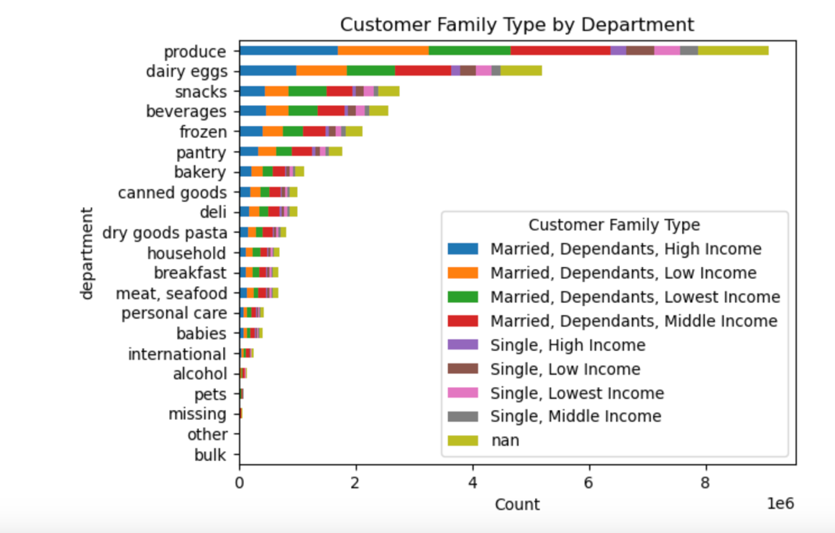
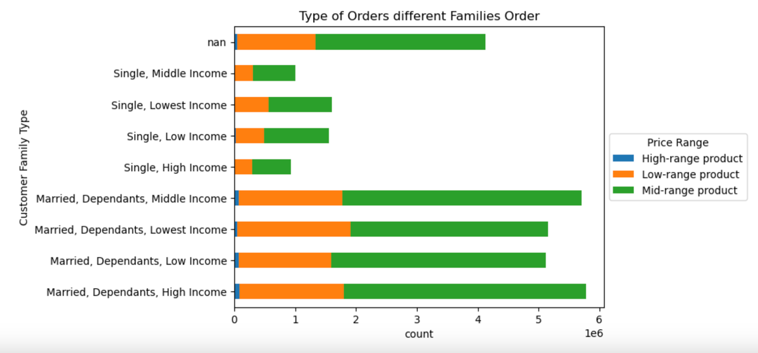
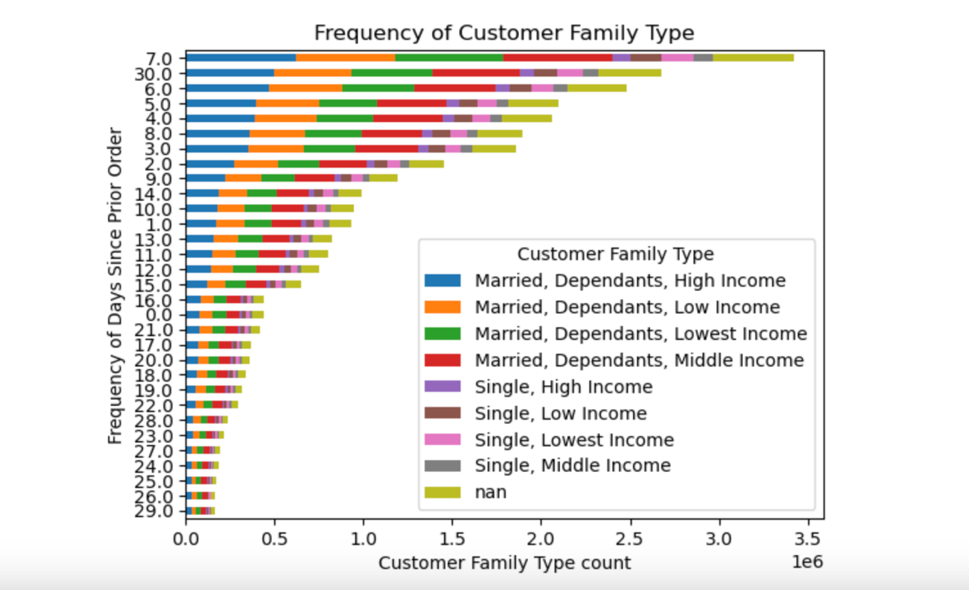
 | Title page

Visualisations (Recommendation tab has answers to key questions)

In this tab you should include all the visualtions from Exercises 4.9 and 4.10, alongside the questions from the project brief that they answer. Include any commentary on the relationship between different variables.

Question 1: The sales team needs to know what the busiest days of the week and hours of the day are (i.e., the days and times with the most orders) in order to schedule ads at times when there are fewer orders.
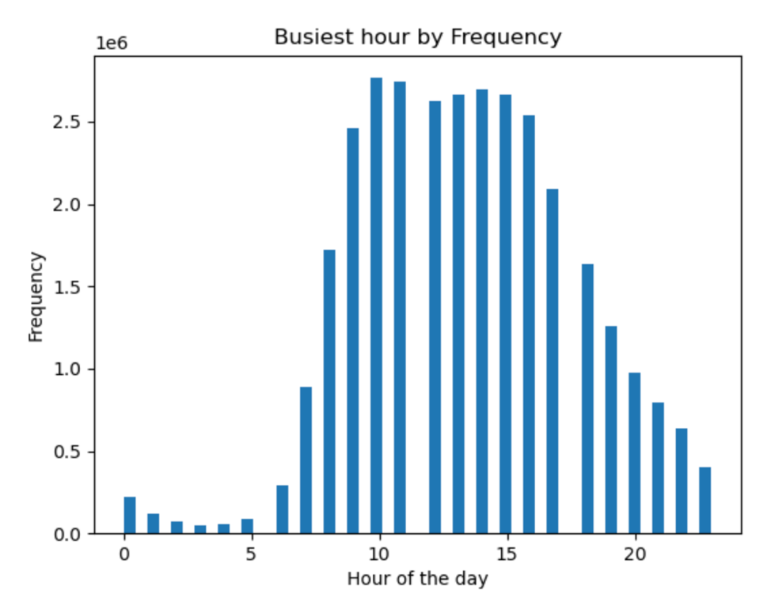
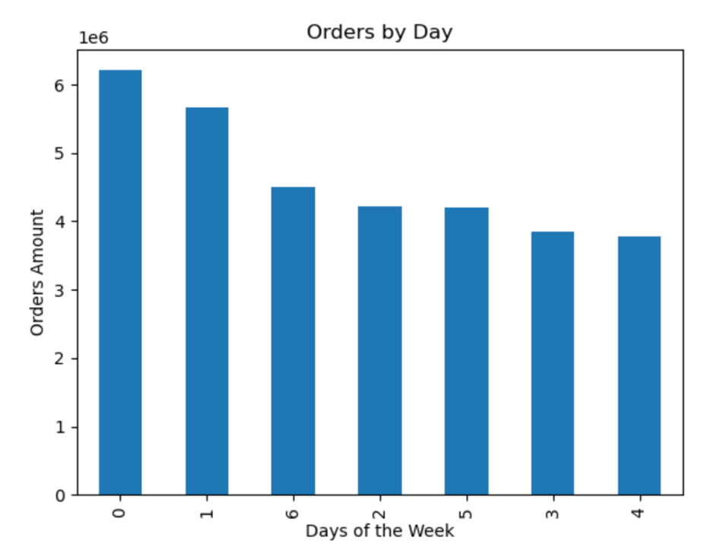

Question 2: They also want to know whether there are particular times of the day when people spend the most money, as this might inform the type of products they advertise at these times.
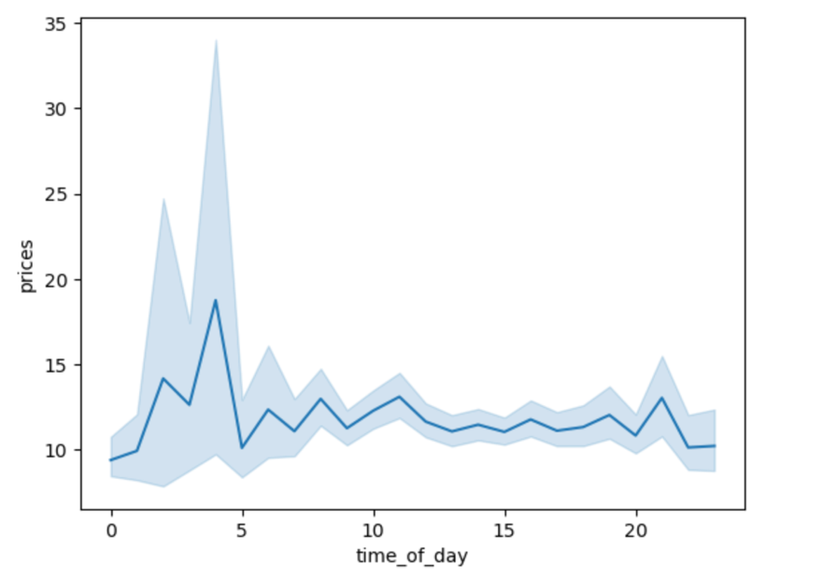
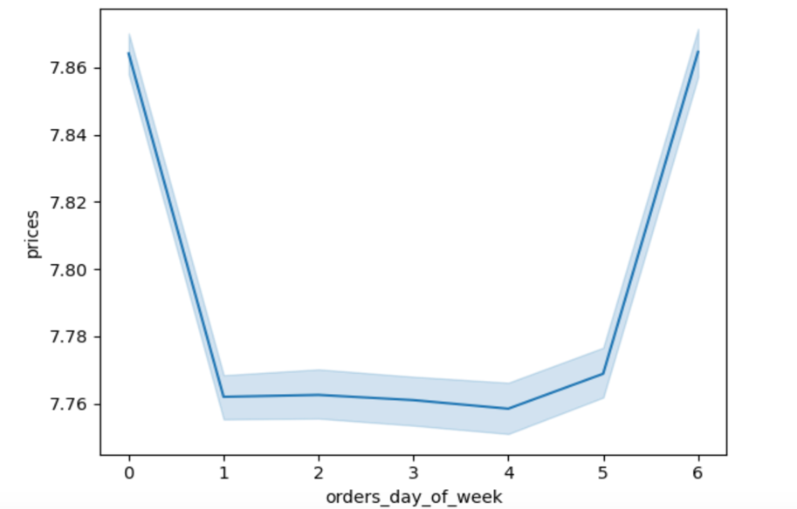

Question 3: Instacart has a lot of products with different price tags. Marketing and sales want to use simpler price range groupings to help direct their efforts.

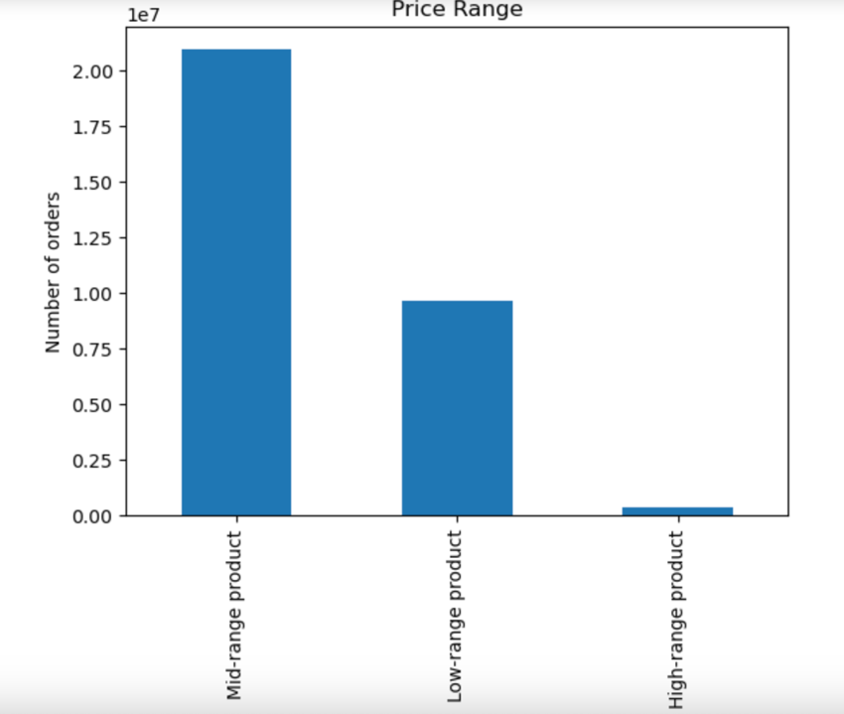

Question 4: Are there certain types of products that are more popular than others? The marketing and sales teams want to know which departments have the highest frequency of product orders.
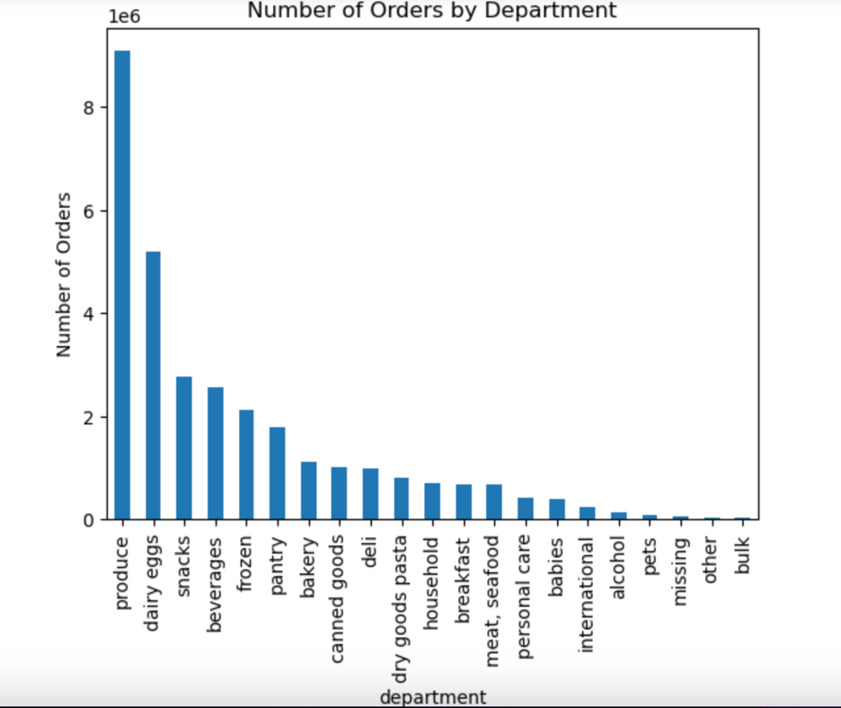

Question 5A. What’s the distribution among users in regards to their brand loyalty (i.e., how often do they return to Instacart)?
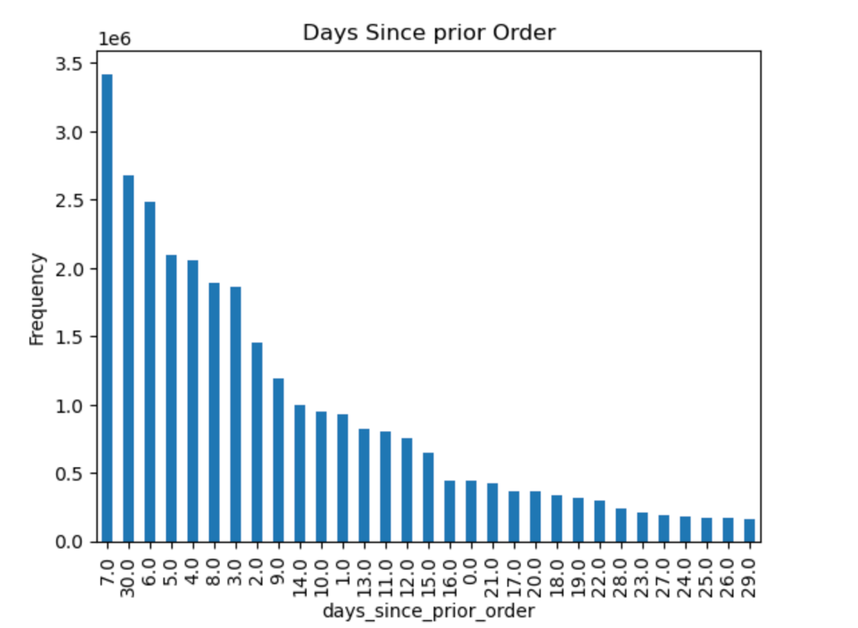
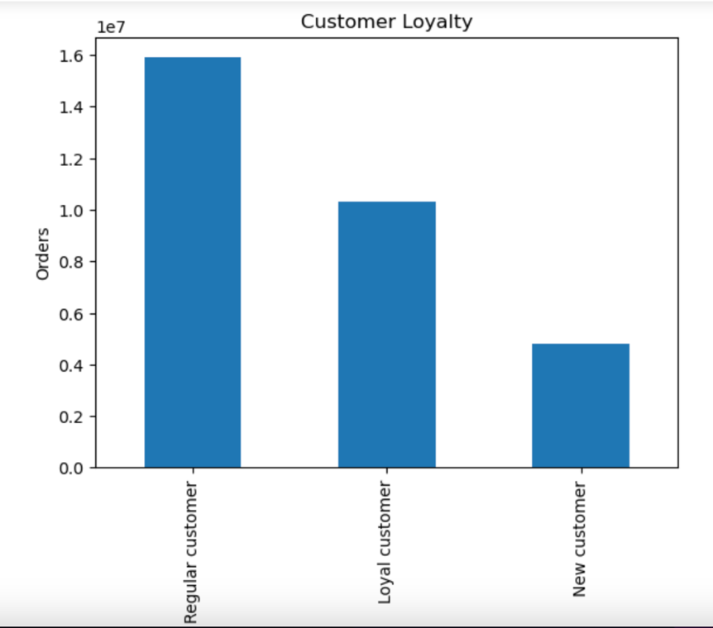

Question 5B: Are there differences in ordering habits based on a customer’s loyalty status?
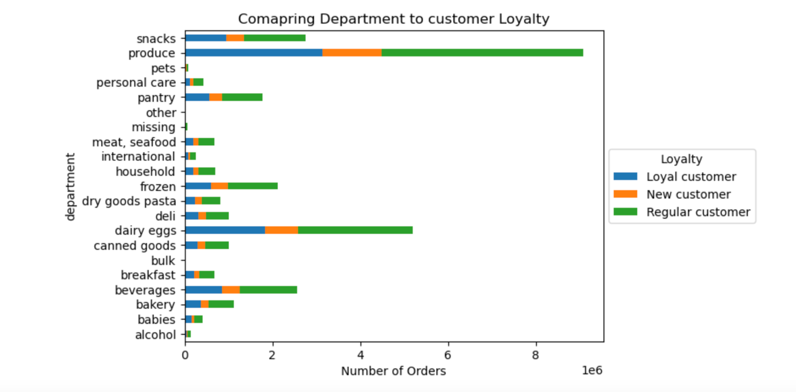
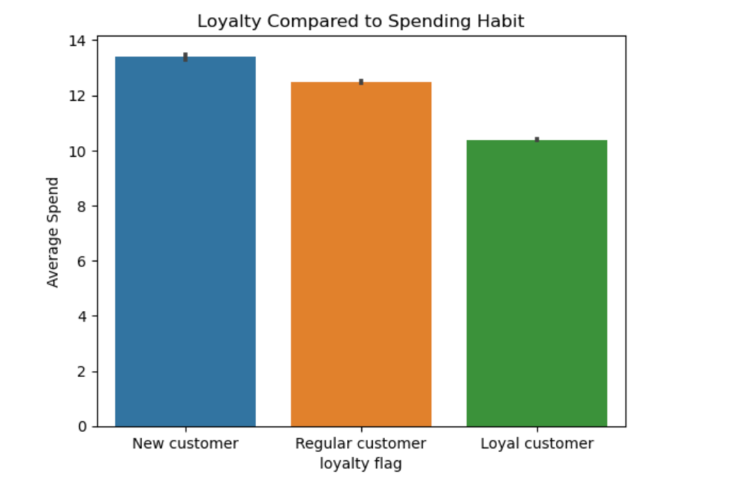

Question 5C: Are there differences in ordering habits based on a customer’s region?
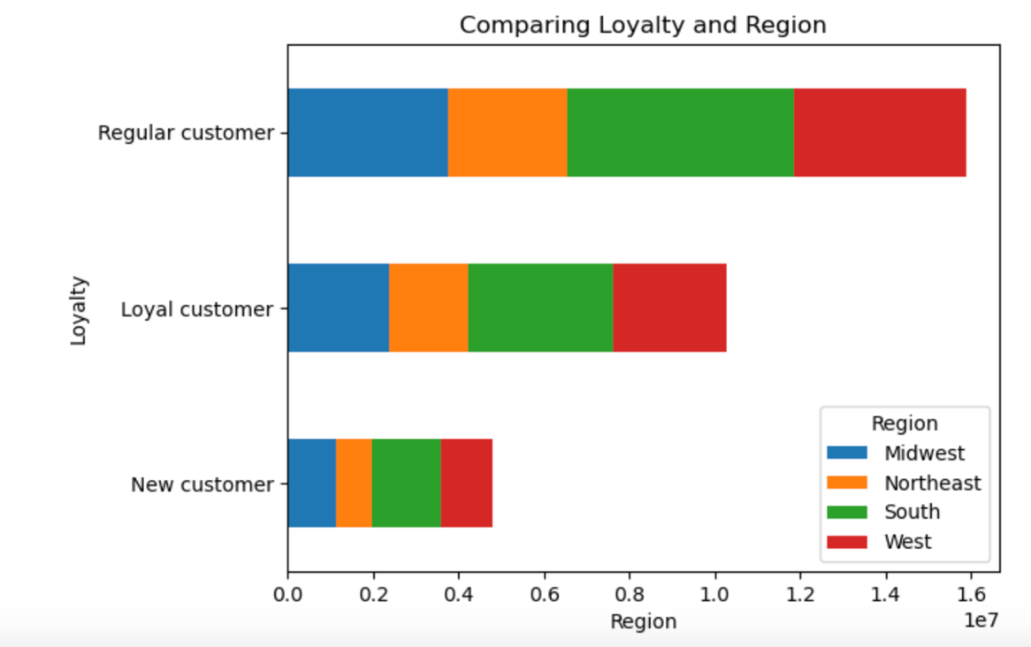
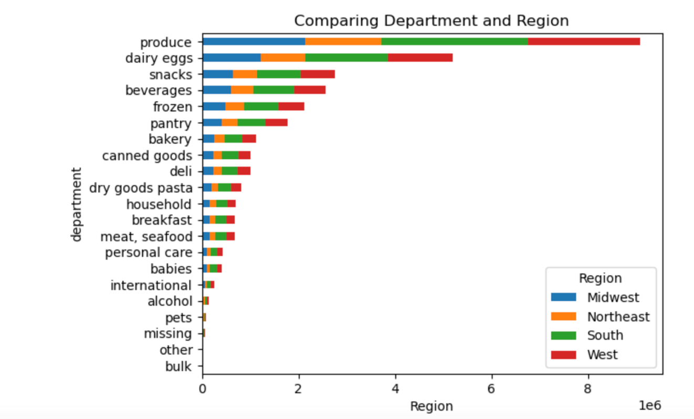

Question 5D & E: Is there a connection between age and family status in terms of ordering habits? Question 5D: What different classifications does the demographic information suggest? Age? Income? Certain types of goods? Family status?

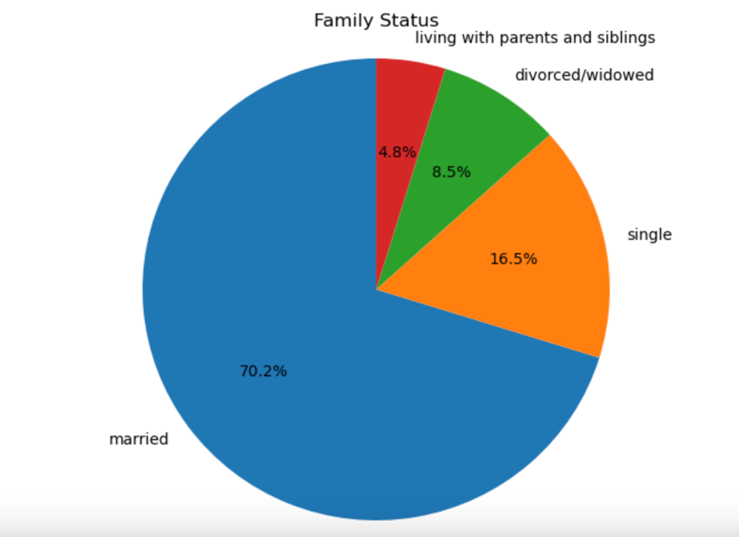
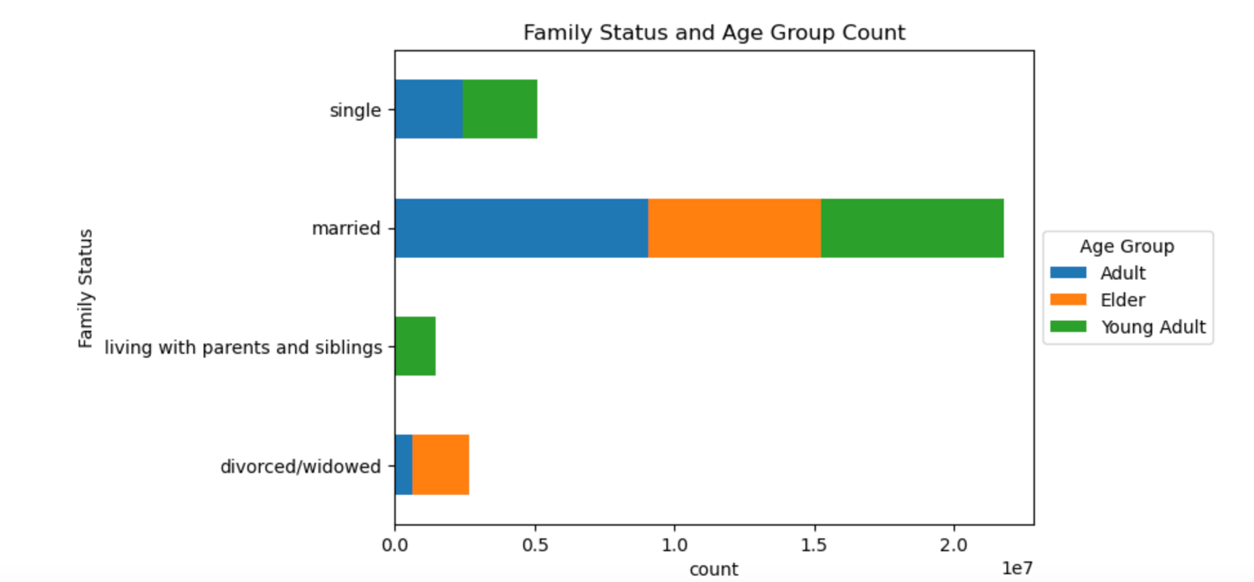

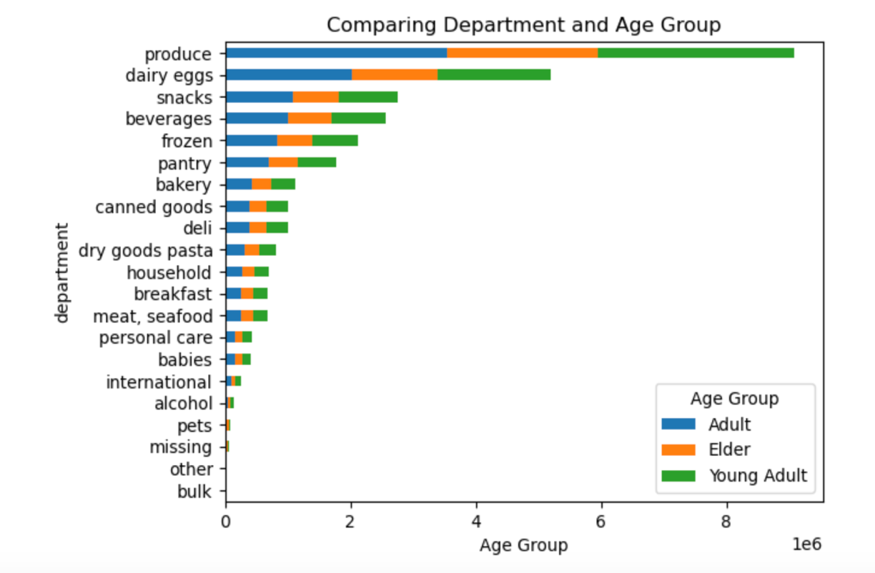
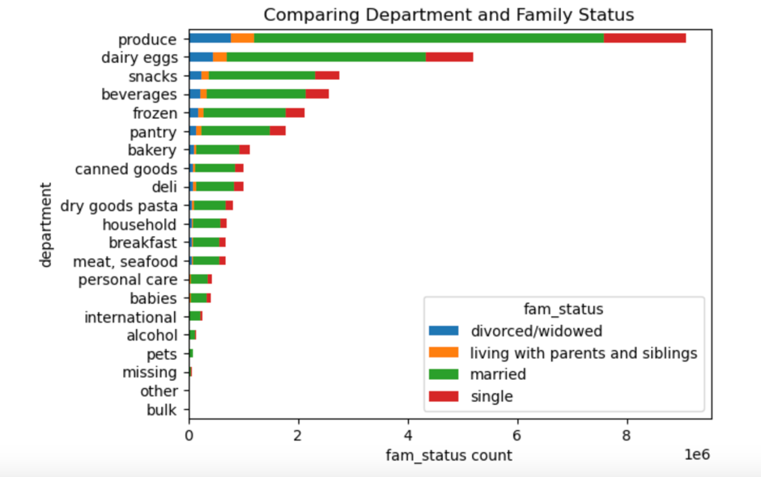

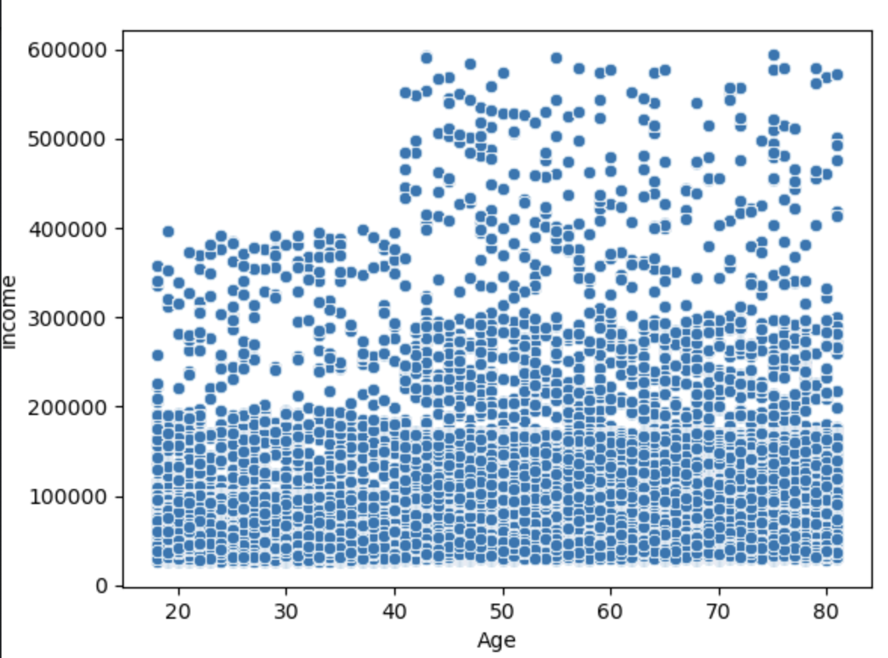

Question 5F: What differences can you find in ordering habits of different customer profiles? Consider the price of orders, the frequency of orders, the products customers are ordering, and anything else you can think of.

7. Recommendations
 |  | Title page

Recommendations

In this tab you should include any recommendations you would made to Instcart in terms of their marketing strategy based on the questions posed in the brief. Every key question has been covered in the Tasks of the Exercises - here you need to add an item - a visualisation or table/crosstable that is showing the answer in the data, acompanied by a comment from you. Please, list the questions below and add the answer underneath.

Question | Answer
Key Question 1: The sales team needs to know what the busiest days of the week and hours of the day are (i.e., the days and times with the most orders) in order to schedule ads at times when there are fewer orders. | The busiest days out of the week are Fridays, Saturdays, and Sundays and the busiest hours are between hour 7 and 20 hours with a peak hour of 10. My recommendation would be to schedule ads in early morning hours and more in the weekdays to attract more customers during the week.
Key Question 2: They also want to know whether there are particular times of the day when people spend the most money, as this might inform the type of products they advertise at these times | Before hour 5 peak prices rise and from hour 5 and forward the prices drop. Orders in the early morning tend to be higher prices.
Key Question 3: Instacart has a lot of products with different price tags. Marketing and sales want to use simpler price range groupings to help direct their efforts. | If prices <=5 then considered Low range price, if prices >5 and prices <= 15 then considered Mid range prices, if prices > 15 then considered High range prices.
Key Question 4: Are there certain types of products that are more popular than others? The marketingand sales teams want to know which departments have the highest frequency of product orders. | The departments Produce, Dairy eggs, snacks, breverages and frozen are the top 5 departments that have the highest amount of frequency orders placed. These departments should have priority.
Key Question 5: What’s the distribution among users in regards to their brand loyalty (i.e., how often do they return to Instacart)? Are there differences in ordering habits based on a customer’s loyalty status? | Regular Customers are the customers that place the most orders then loyal customers. New customer are the customers that spend the most. Customers return to order about every 7 days this is the most frequent amount of days since prior order. Produce, dairy, sncaks, beverages and pantry are among the 5 top departmetns in each loyalty falg.
Key Question 6: Are there differences in ordering habits based on a customer’s region? | Regular Customer is still the top customer in each region, the top 5 depatments are still the same in each region.
Key Question 7: Is there a connection between age and family status in terms of ordering habits? What different classifications does the demographic information suggest? Age? Income? Certain types of goods? Family status? | Married family are 70% among family status and are mostly adult age group ( <65, >=40). Married couples are the top families that order the most in each food department. Adult age group are also the top ordering in food department. Adult and Elders are the age group with higher incomes. These demographis suggest the married adults are the main customers that order most. This type of family status and age group should be top priority and targets.
Key Question 8: What differences can you find in ordering habits of different customer profiles? Consider the price of orders, the frequency of orders, the products customers are ordering, and anything else you can think of. | The family type that are married, with dependants, ranging from lowest income to highest income are the families that order the most frequent, they order the most in each food department, and are the families that order in all three product group (high range, mid range, low range products price). My Recommendation is to target married families with dependants of all income levels and age group. This will allow busy families consider using instacart more more frequent since it is efficient and time saving.

